5 auto open update SINGLE
 |  |  |  |  |  |  | SINGLE SYSTEM
 |  |  |  |  |  |  |  |  |  |  |  |  |  | Investment / USDT is the amount to be entered for each trade
 |  |  |  | Investment / USDT | 100 |  |  |  |  |  |  |  |  | Grey cells are manually filled in by me

 |  |  |  |  |  |  |  |  |  |  |  |  |  | Each pair is traded individually, with it's own TP and SL
 | PAIR SELECTION TABLE |  | AUTO START SETTINGS |  |  |  |  |  |  |  |  |  |  | when a buy order closes a sell order will open at the same time.and vice versa. So each pair will always be in a trade either a buy or sell
 |  |  |  |  |  |  |  |  |  |  |  |  |  | See the BUY and SELL area on the table. Green squares are activated buys and red are activated sells
PAIR | ACTUAL ORDER TO BITSGAP |  | PAIR | Tradingview signal | Tradingview Signal | Grid Levels | Current Price | Current Price to high price | Grid Size % | High Price | Low Price | Take | Stop
FROM TRADINGVIEW | BUY PAIRS | SELL PAIRS |  | BUY | SELL |  |  |  |  |  |  | Profit | Loss | See picture below. I am using a simple MACD indicator on trading view to trigger the buy and sell orders for each pair.
AAVEUSDT | AAVE3L/USDT | AAVE3S/USDT | AAVEUSDT |  |  | 20 | 19555 | 0.016 | 20 | 19867.8800 | 15894.3040 | 5.0 | -5.0 | When the histogram bar crosses down over the 0 line this triggers a crossing down alert and opens the sell order(BTC3SUSDT) and also closes the buy order (BTC3LUSDT)
ADAUSDT | ADA3L/USDT | ADA3S/USDT | ADAUSDT |  |  | 20 | 19510 | 0.016 | 20 | 19822.1600 | 15857.7280 | 5.0 | -5.0 | When the histogram bar crosses up over the 0 line this triggers a crossing up alert and opens the buy order(BTC3LUSDT) and also closes the sell order (BTC3SUSDT)
APEUSDT | APE3L/USDT | APE3S/USDT | APEUSDT |  |  | 20 |  | 0.016 | 20 | 0.0000 | 0.0000 | 5.0 | -5.0 | I will have the same alerts set on each of the pairs in the table so up to 28 alerts coming in.
ATOMUSDT | ATOM3L/USDT | ATOM3S/USDT | ATOMUSDT |  |  | 20 |  | 0.016 | 20 | 0.0000 | 0.0000 | 5.0 | -5.0 | You need to set up the webhook to bring these alerts to this table and trigger the buys and sells of each pair.
AVAXUSDT | AVAX3L/USDT | AVAX3S/USDT | AVAXUSDT |  |  | 20 |  | 0.016 | 20 | 0.0000 | 0.0000 | 5.0 | -5.0 | Once opened it shows up in the existing app the way the manual trades show up now.
AXSUSDT | AXS3L/USDT | AXS3S/USDT | AXSUSDT |  |  | 20 |  | 0.016 | 20 | 0.0000 | 0.0000 | 5.0 | -5.0
BCHUSDT | BCH3L/USDT | BCH3S/USDT | BCHUSDT |  |  | 20 |  | 0.016 | 20 | 0.0000 | 0.0000 | 5.0 | -5.0 | For example on the table you see that AAVE just got a CROSSING DOWN signal so it will open AAVE3S/USDT and would have closed AAVE3L/USDT
BNBUSDT | BNB3L/USDT | BNB3S/USDT | BNBUSDT |  |  | 20 |  | 0.016 | 20 | 0.0000 | 0.0000 | 5.0 | -5.0 | It will close the 3L order first and then intiate the auto start sequence to open the 3S trade. Open the start bot window in bitsgap and fill in the fields. We have already covered this
DOGEUSDT | DOGE3L/USDT | DOGE3S/USDT | DOGEUSDT |  |  | 20 |  | 0.016 | 20 | 0.0000 | 0.0000 | 5.0 | -5.0 | also add the tp and the sl to the SINGLE app along with the other details as what happens now when we manually start a trade.
DOTUSDT | DOT3L/USDT | DOT3S/USDT | DOTUSDT |  |  | 20 |  | 0.016 | 20 | 0.0000 | 0.0000 | 5.0 | -5.0 | This means each trade can be closed in 3 different ways. By hitting the TP or SL, which is how the app currently works, and also closed when the crossing up / crossing down alert is received.
EOSUSDT | EOS3L/USDT | EOS3S/USDT | EOSUSDT |  |  | 20 |  | 0.016 | 20 | 0.0000 | 0.0000 | 5.0 | -5.0 | I would imagine that most times they will close with the cross up / cross down alerts but want the sl and tp as an extra safety if the market drops / rises quickly.
ETHUSDT | ETH3L/USDT | ETH3S/USDT | ETHUSDT |  |  | 20 |  | 0.016 | 20 | 0.0000 | 0.0000 | 5.0 | -5.0 | If the trade is closed by SL or TP then it wont reopen again until it gets an alert from trading view
FTMUSDT | FTM3L/USDT | FTM3S/USDT | FTMUSDT |  |  | 20 |  | 0.016 | 20 | 0.0000 | 0.0000 | 5.0 | -5.0 | Not sure if you will need to refer to the pair selection table to the far left as the alerts will have the correct format to open the trade in bitsgap.
GALAUSDT | GALAX3L/USDT | GALAX3S/USDT | GALAUSDT |  |  | 20 |  | 0.016 | 20 | 0.0000 | 0.0000 | 5.0 | -5.0 | Bitsgap needs the / in the pair name to correctly ID the pair but then drops the / after that when reffering to that pair…..
GMTUSDT | GMT3L/USDT | GMT3S/USDT | GMTUSDT |  |  | 20 |  | 0.016 | 20 | 0.0000 | 0.0000 | 5.0 | -5.0
JASMYUSDT | JASMY3/LUSDT | JASMY3S/USDT | JASMYUSDT |  |  | 20 |  | 0.016 | 20 | 0.0000 | 0.0000 | 5.0 | -5.0
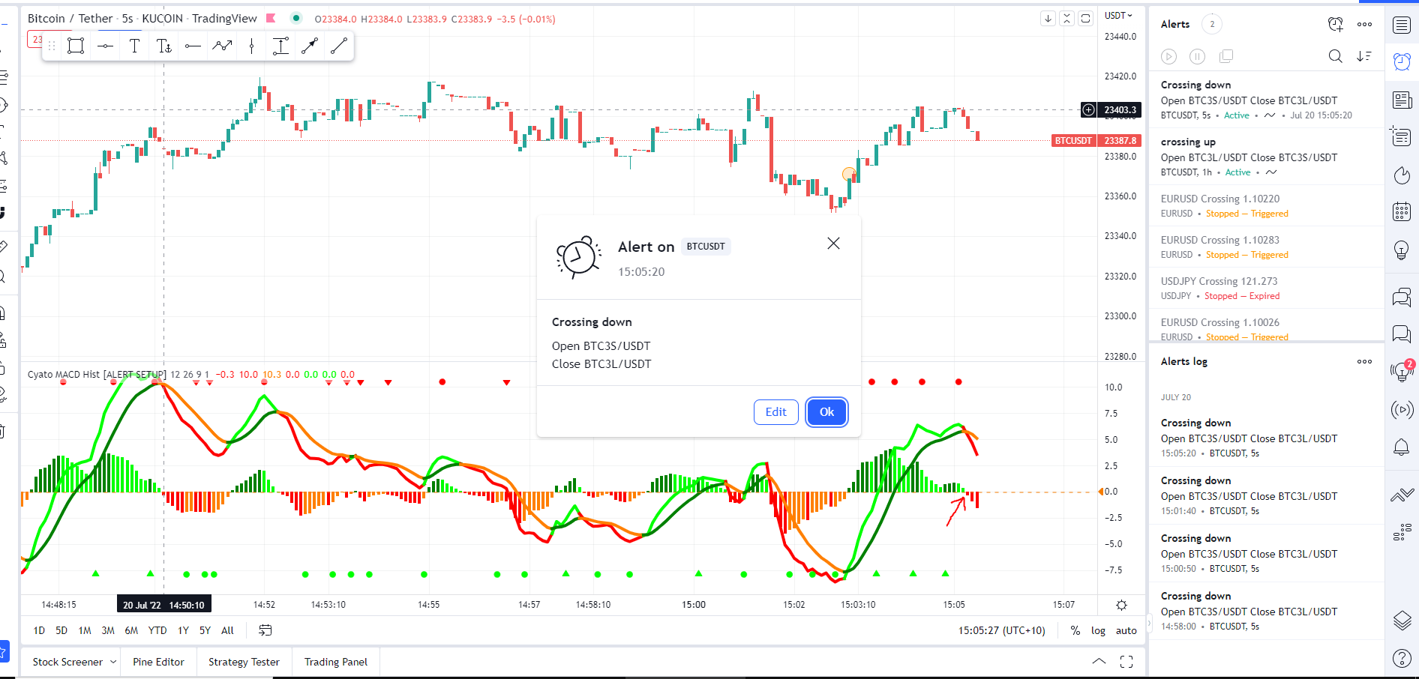
LINKUSDT | LINK3L/USDT | LINK3S/USDT | LINKUSDT |  |  | 20 |  | 0.016 | 20 | 0.0000 | 0.0000 | 5.0 | -5.0
LTCUSDT | LTC3L/USDT | LTC3S/USDT | LTCUSDT |  |  | 20 |  | 0.016 | 20 | 0.0000 | 0.0000 | 5.0 | -5.0
MANAUSDT | MANA3L/USDT | MANA3S/USDT | MANAUSDT |  |  | 20 |  | 0.016 | 20 | 0.0000 | 0.0000 | 5.0 | -5.0
MATICUSDT | MATIC3L/USDT | MATIC3S/USDT | MATICUSDT |  |  | 20 |  | 0.016 | 20 | 0.0000 | 0.0000 | 5.0 | -5.0
NEARUSDT | NEAR3L/USDT | NEAR3S/USDT | NEARUSDT |  |  | 20 |  | 0.016 | 20 | 0.0000 | 0.0000 | 5.0 | -5.0
SANDUSDT | SAND3L/USDT | SAND3S/USDT | SANDUSDT |  |  | 20 |  | 0.016 | 20 | 0.0000 | 0.0000 | 5.0 | -5.0
SOLUSDT | SOL3L/USDT | SOL3S/USDT | SOLUSDT |  |  | 20 |  | 0.016 | 20 | 0.0000 | 0.0000 | 5.0 | -5.0
SUSHIUSDT | SUSHI3L/USDT | SUSHI3S/USDT | SUSHIUSDT |  |  | 20 |  | 0.016 | 20 | 0.0000 | 0.0000 | 5.0 | -5.0
UNIUSDT | UNI3L/USDT | UNI3S/USDT | UNIUSDT |  |  | 20 |  | 0.016 | 20 | 0.0000 | 0.0000 | 5.0 | -5.0
VETUSDT | VET3L/USDT | VET3S/USDT | VETUSDT |  |  | 20 |  | 0.016 | 20 | 0.0000 | 0.0000 | 5.0 | -5.0
XRPUSDT | XRP3L/USDT | XRP3S/USDT | XRPUSDT |  |  | 20 |  | 0.016 | 20 | 0.0000 | 0.0000 | 5.0 | -5.0

